Test Report
Default Test Run Report

Project Name |  |  | Project 1
User Name |  |  | MTS
Test Name |  |  | MTS EM ASTM D638 Plastics Tension (Extensometer)
Test Run Name |  |  | Test Run 2
Test Run Date |  |  | 11/6/2019 1:28:00 PM

Test Run Review Graph
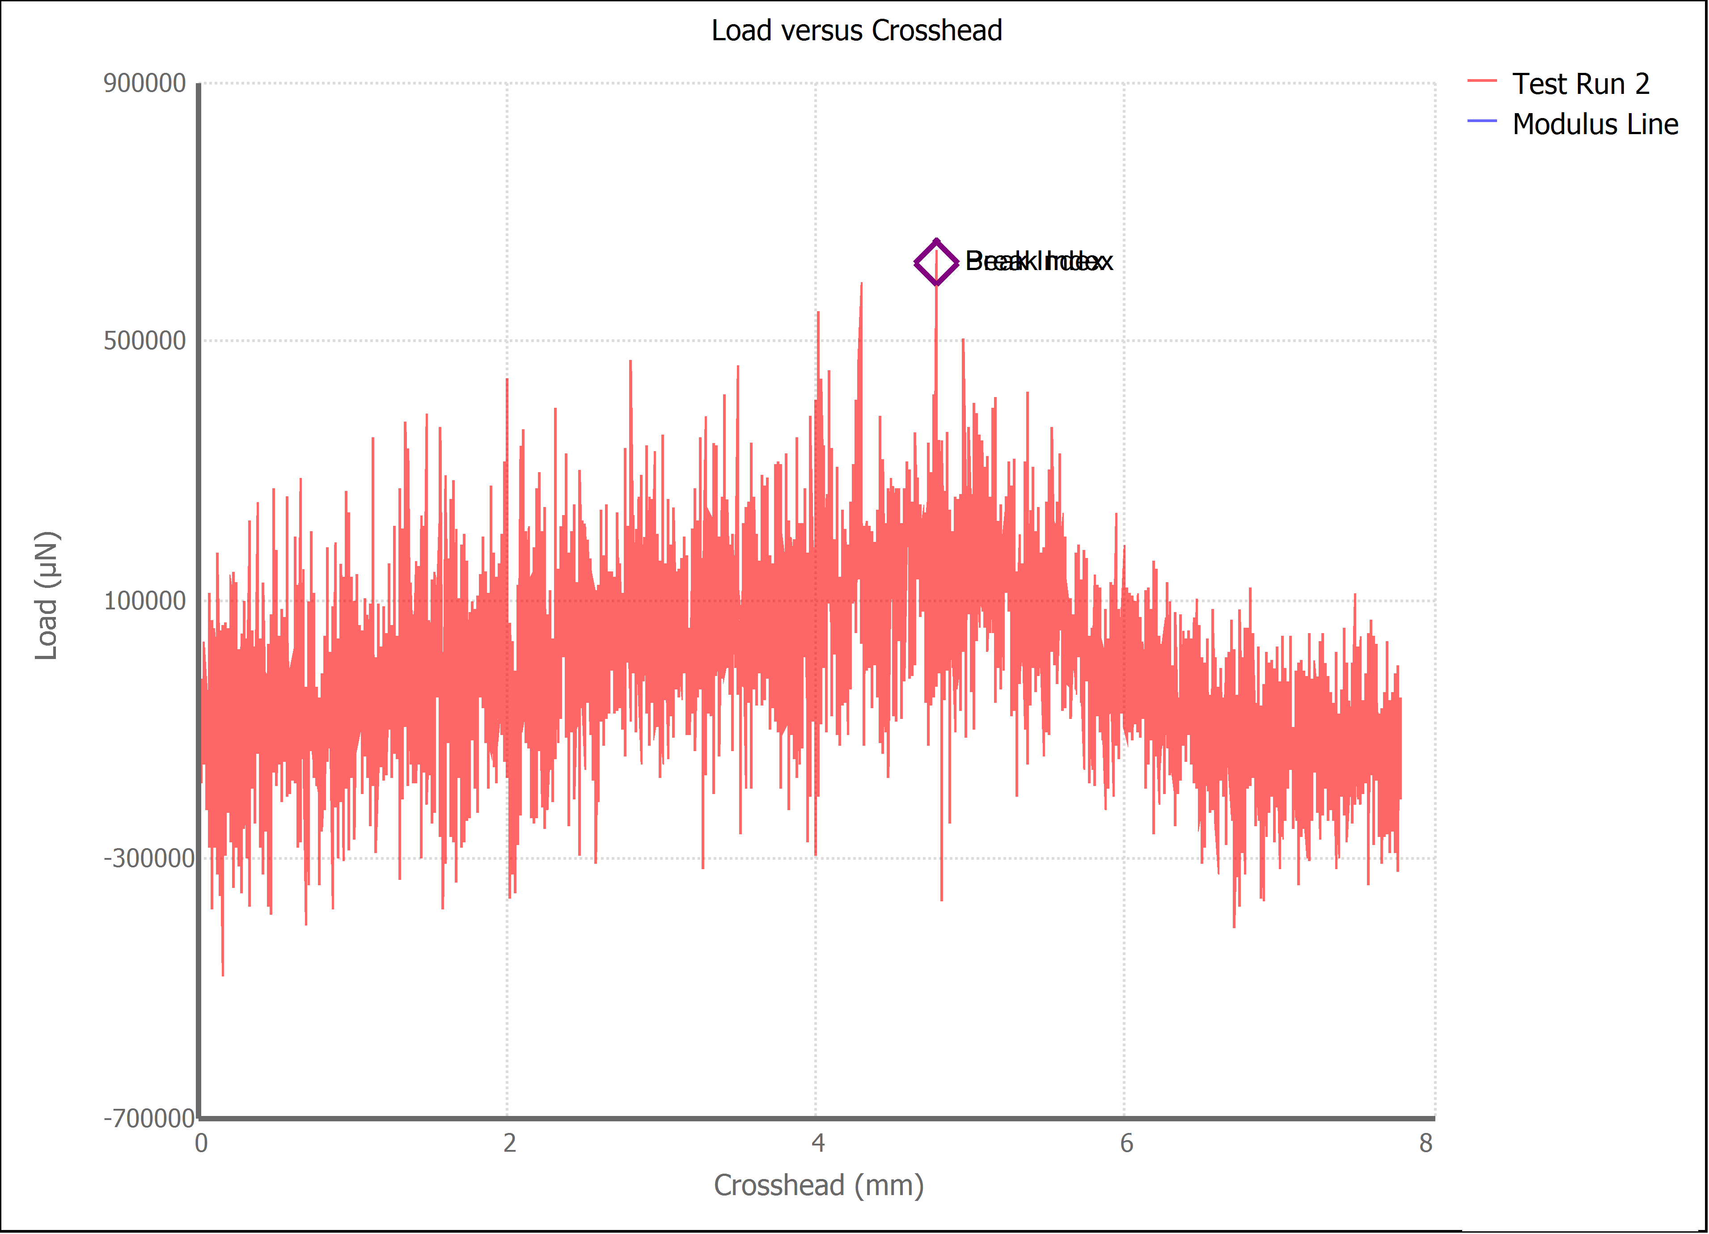

Test Run Results:
Display Name | Value | Unit
Test Run End Reason | Test Stopped
Test Rate | 1.0 | mm/min
Secant Modulus Strain Point 2 | 0.100 | in/in
Test ID
Secant Modulus Strain Point 1 | 0.050 | in/in
Tensile Strength | 48.8 | kPa
Maximum Load | 0.619 | N
% Elongation at Maximum Load | 0.000 | %
Nominal Strain at Peak | 0.251 | mm/mm
Stress at Break | 0.007 | kip/in²
% Elongation at Break | 0.000 | in/in
Nominal Strain at Break | 0.251 | in/in
Load at Yield | #NUM! | N
Stress at Yield | #NUM! | MPa
% Elongation at Yield | #NUM! | in/in
Modulus of Elasticity | #NUM! | MPa
Secant Modulus at Strain Point 1 | #NUM! | kip/in²
Secant Modulus at Strain Point 2 | #NUM! | kip/in²
Offset Yield Strength | #NUM! | kip/in²
Width | 3.800 | mm
Thickness | 3.340 | mm

